Descriptive Stats Film 3.6
min_rental_duration | max_rental_duration | avg_rental_duration | count_rental_duration_records | min_rental_rate | max_rental_rate | avg_rental_rate | count_rental_rate_records | min_length | max_length | avg_length | count_length_records | min_replacement_cost | max_replacement_cost | avg_replacement_cost | count_replacement_cost_records | count_rows
3 | 7 | 4.985 | 1000 | 0.99 | 4.99 | 2.98 | 1000 | 46 | 185 | 115.272 | 1000 | 9.99 | 29.99 | 19.984 | 1000 | 1000

*Numerical Statistics
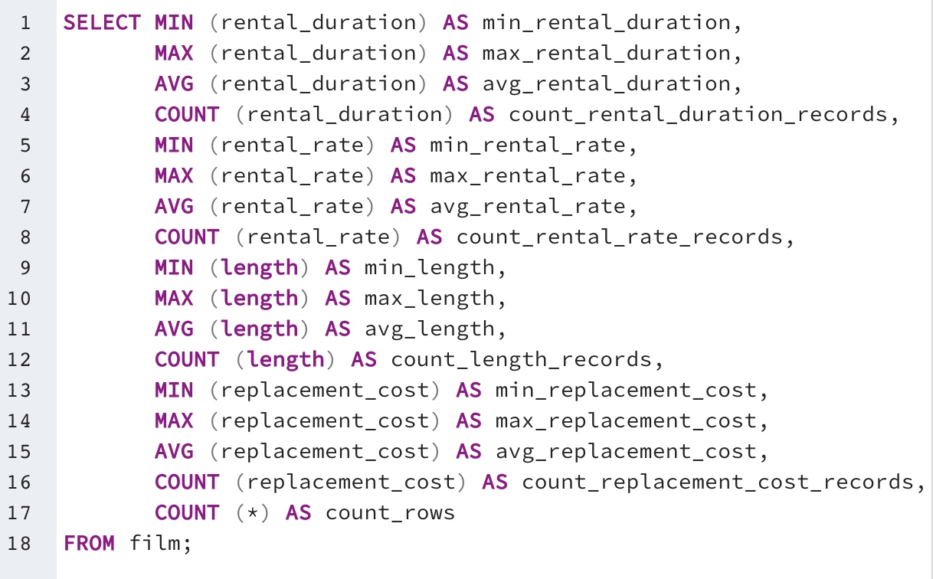

title_mode_value | rating_mode_value | description_mode_value | release_year_mode_value | language_id_mode_value | last_update_mode_value | special_features_mode_value | fulltext_mode_value
Academy Dinosaur | PG-13 | A Action-Packed Character Study of a Astronaut And a Explorer who must Reach a Monkey in A MySQL Convention | 2006 | 1 | 2013-05-26 14:50:58 | {Trailers,Commentaries,"Behind the Scenes"} | 'baloon':19 'confront':14 'documentari':5 'feminist':8,11,16 'mile':2 'must':13 'spi':1 'thrill':4

*Non-numerical Statistics

Top 10 Countries for Customers
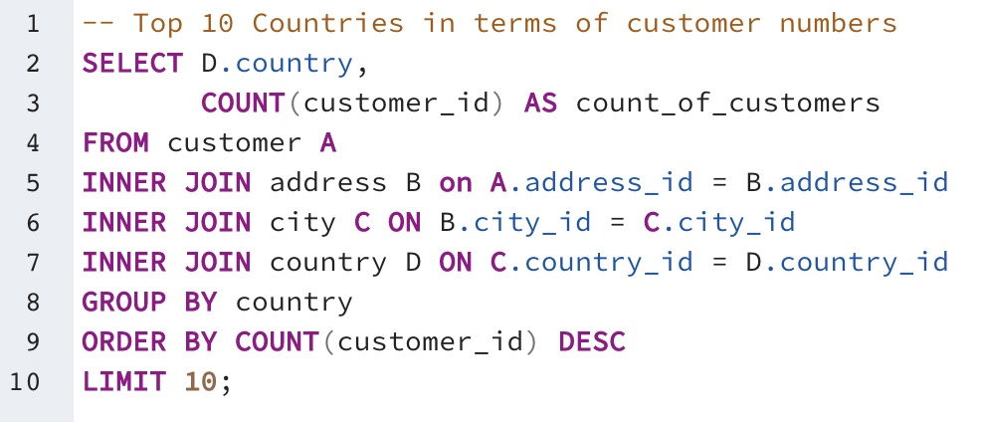
country | count_of_customers
India | 60
China | 53
United States | 36
Japan | 31
Mexico | 30
Brazil | 28
Russian Federation | 28
Philippines | 20
Turkey | 15
Indonesia | 14

Top 5 Customers
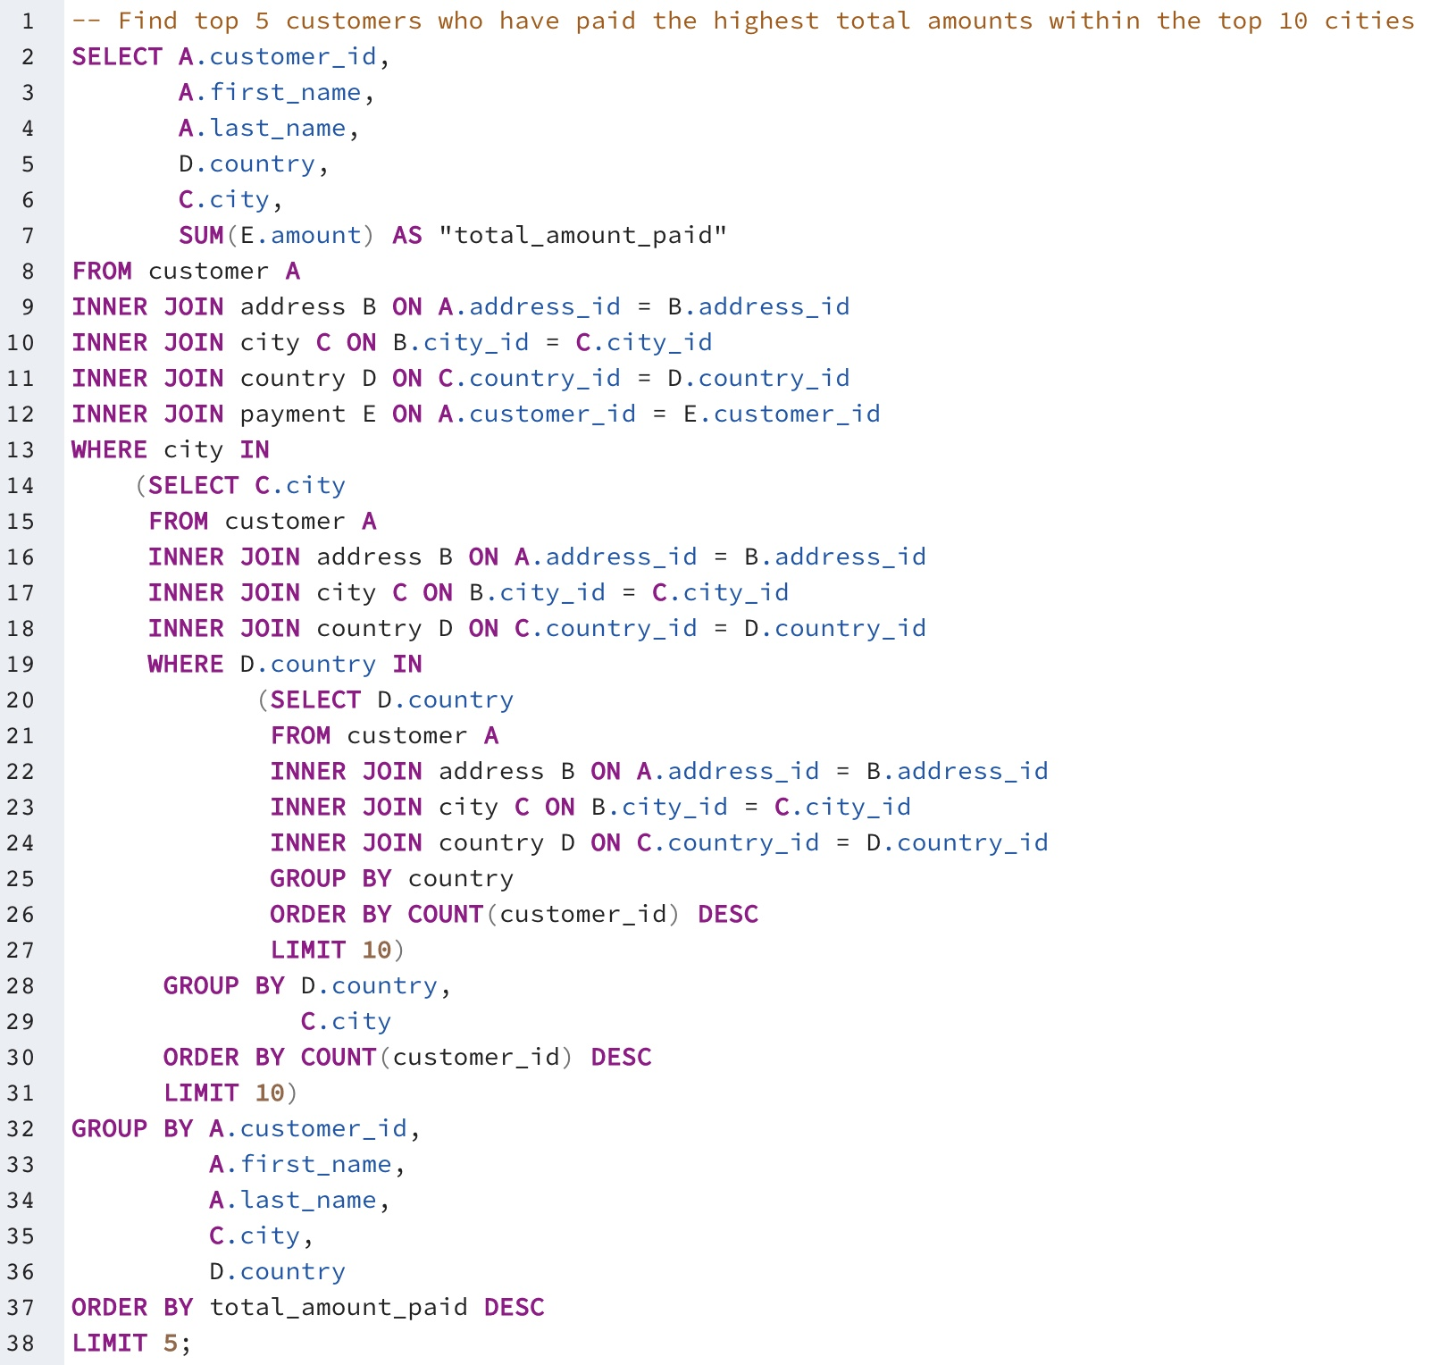
customer_id | first_name | last_name | country | city | total_amount_paid
225 | Arlene | Harvey | India | Ambattur | 111.76
424 | Kyle | Spurlock | China | Shanwei | 109.71
240 | Marlene | Welch | Japan | Iwaki | 106.77
486 | Glen | Talbert | Mexico | Acua | 100.77
537 | Clinton | Buford | United States | Aurora | 98.76

Revenue By Genre
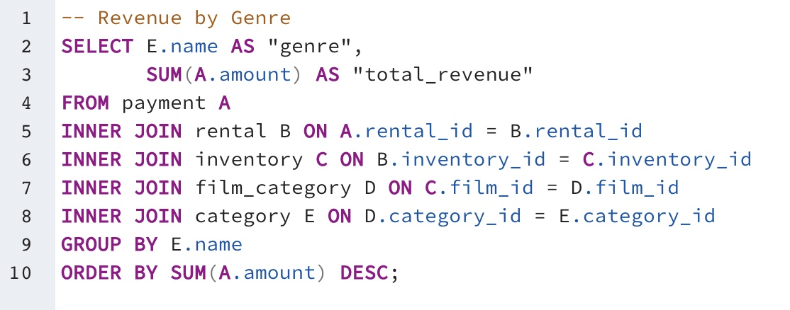
genre | total_revenue
Sports | 4892.19
Sci-Fi | 4336.01
Animation | 4245.31
Drama | 4118.46
Comedy | 4002.48
New | 3966.38
Action | 3951.84
Foreign | 3934.47
Games | 3922.18
Family | 3782.26
Documentary | 3749.65
Horror | 3401.27
Classics | 3353.38
Children | 3309.39
Travel | 3227.36
Music | 3071.52
Thriller | 47.89

Top 10 Revenue
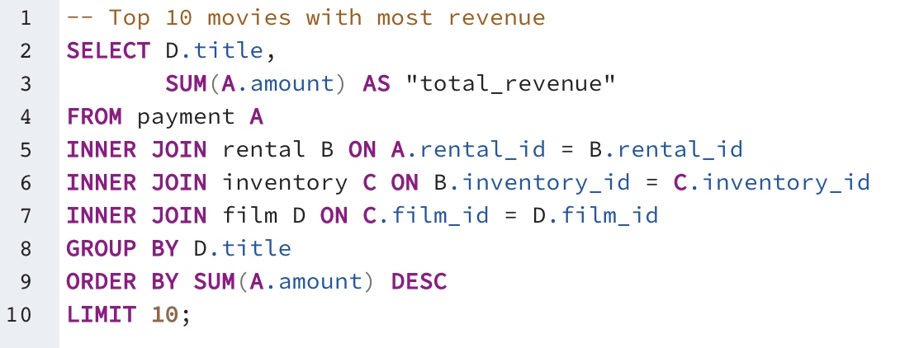
title | total_revenue
Telegraph Voyage | 215.75
Zorro Ark | 199.72
Wife Turn | 198.73
Innocent Usual | 191.74
Hustler Party | 190.78
Saturday Lambs | 190.74
Titans Jerk | 186.73
Harry Idaho | 177.73
Torque Bound | 169.76
Dogma Family | 168.72

Bottom 10 Revenue
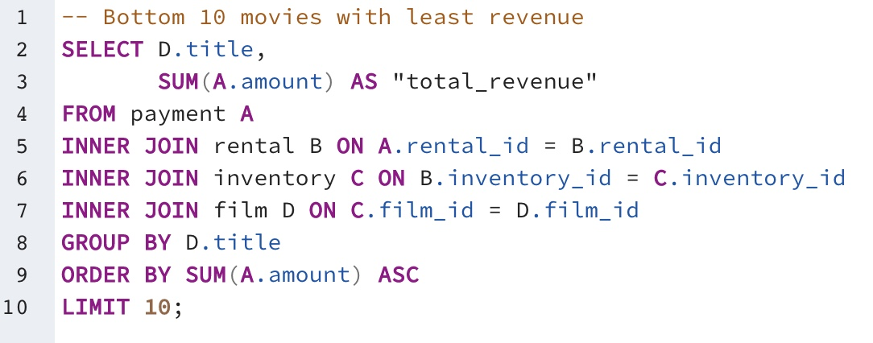
title | total_revenue
Texas Watch | 5.94
Oklahoma Jumanji | 5.94
Duffel Apocalypse | 5.94
Freedom Cleopatra | 5.95
Young Language | 6.93
Rebel Airport | 6.93
Cruelty Unforgiven | 6.94
Treatment Jekyll | 6.94
Lights Deer | 7.93
Stallion Sundance | 7.94

